Multi- Compressor
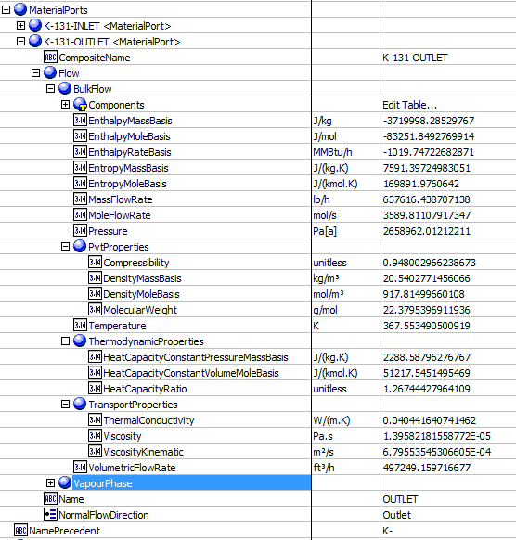
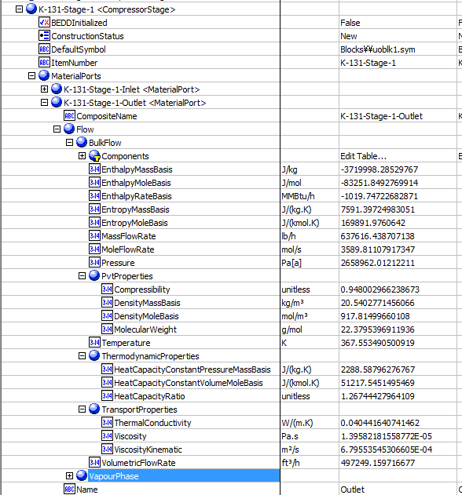
File name | ThreeStageCompressor.hsc
Unit Operation | K-100

Workflow (please see detailed test case on P4)
1. Open attached ThreeStageCompressor.hsc file.
2. Click on Datasheet button, select a server and workspace to connect .
3. Click on Mapper tab, click on the hyperlink of K-101, make sure Object Mapping screen opens, and the ports are mapped automactially in Port Mapping section.
4. Select "CompressorStage" under "Map As" column, and " Create" under "Workspace Object" column. Close the Object Mapping screen by clicking "x" at the top right corner.
5. Repeat step 4 for K-102 and K-103. Click Save Change and Transfer.
6. Click on the Explorer tab, create a Centrifuagl Compressor in by Equipment view. E.g. K-100
7. In the attribute view, click on "Show/Hide properties" icon, and select "Show All Atrribuetes".
8. Scroll down to "Stage", right click on Design column, and select "Insert Subobject" in the context menu.
9. Select "Existing Object" radio button, select K-101<CompressorStage>, and click OK. Make sure the stage name will chang to K-100-Stage-1 <CompressorStage>.
9. Repeate step 8 to insert K-102 and K-103.
10. Click on the "Execute Script" icon on aBar, and select "Stage Calculations" method. Select the created centrifugal compressor, click "Execute".
11. Back to the Attributes view, expand K-100 outlet material port, and verify the data is same as the outlet of the last stage listed under the Stage attributes.

Expected Results |  |  |  |  |  | Stages

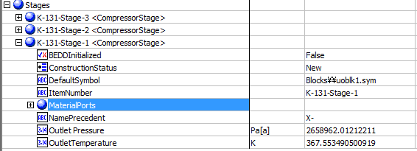
Multi-Compressors(CQ00730640)

K-101
Index Number | Attributes | AbeAds Class View | Abe Default Attributes View | Hysys Data | Units

9 | Discharge Pressure(kPa) | Pressure Out (Pa[a]) | Outlet Pressure (Pa[a]) | 1915.5577641 | kPa
10 | Discharge Temperature (K) | Temperature Out (K) | Outlet Temperature (K) | 392.38886555 | K

Compare Data

Created Compressor-Outlet |  |  |  |  | Last stage -Outlet

